vpn key
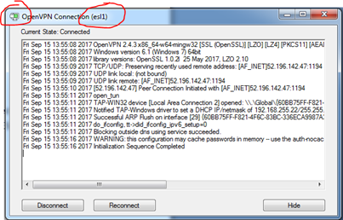
1. install openvpn software
 | 1.1 Download the OpenVPN community application in this site below.
 | https://openvpn.net/index.php/open-source/downloads.html

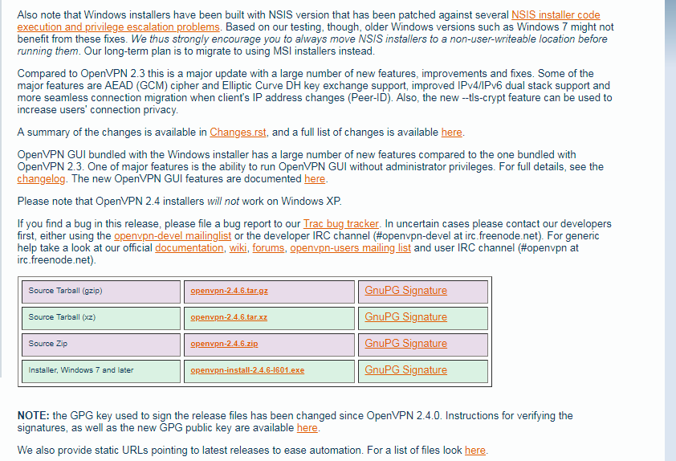

 | 1.2 Install


 |  | * if you are asked if istall [Tap windows] during below procecrue , tap yes ans install [Tap windows]

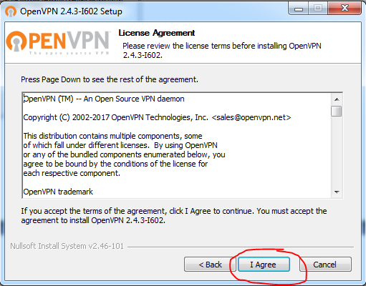
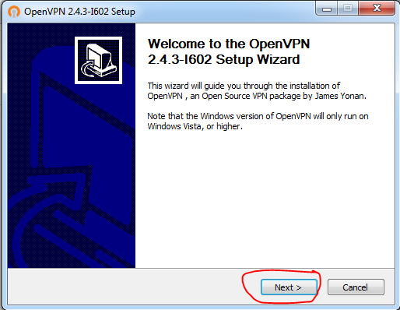

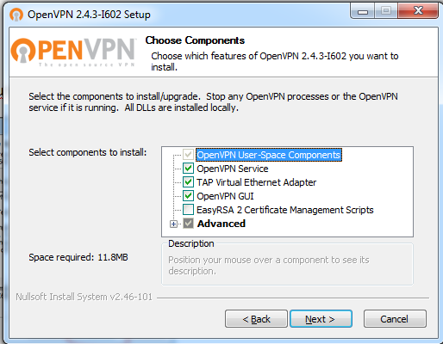
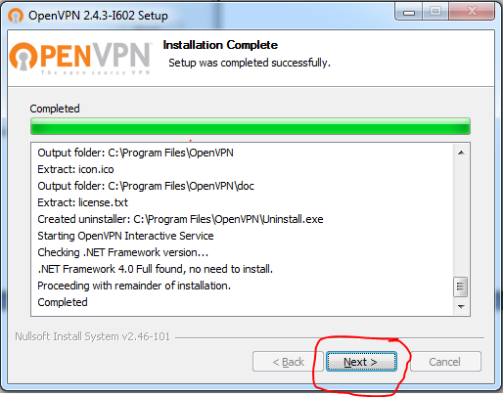

 | 1.3 confirmation
 |  | After installation of TAP-Windows Network Utility you can see this ICON in your NETWORK DEVICE.

2. install VPN key

 | 2.1 In your DESKTOP or START-UP menu, you can see this ICON below, just double-click if in desktop.

 | 2.2 In your Windows task pane (Right Button part of the screen, near Date and Time).
 | You can see this small icon, then RIGHT CLICK. In the MENU, select IMPORT FILE.

 | 2.3 Lselect your certificate, then click OPEN button.

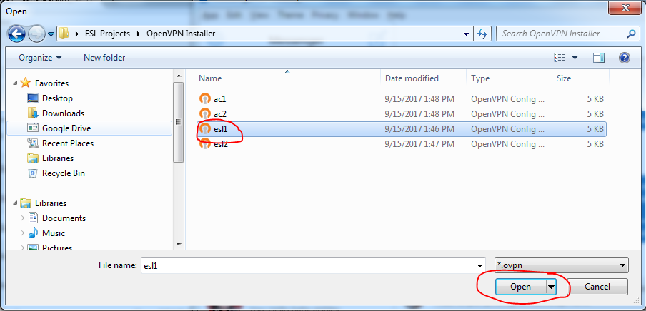

3. connect
 | Go back to the OpenVPN program, below system tray then RIGHT CLICK then
 | select your installed VPN CERTIFICATE, then select CONNECT menu button.
 | (In my example I select the ESL1 vpn certicate).

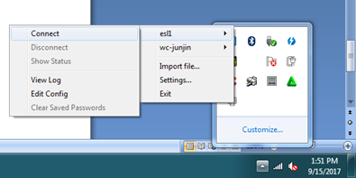

 | Once everything OK the ICON will be colored GREEN then
 | you can now visit start open your browser and visit then WebCoop Website right away

